1. Title Page
[InstaCart Basket Analysis]

Project Name: InstaCart Basket Analysis
Date: January 2023
Analyst Name: Ngawang Dhundup

Contents:
Population Flow
Consistency checks
Wrangling steps
Column derivations
Visualizations
Recommendations

Data Citation:
Instacart Data Sets:

Customers Data Set
Data on product prices and customers are fabricated and are not liable to any PII (personal identifiable information) laws.
Data Dictionary

The Instacart Online Grocery Shopping Dataset 2017

Accessed from https://www.instacart.com/datasets/grocery-shopping-2017 on <date>.

2. Population Flow
Title page

Population flow

Exclusion flag
Condition: max_order < 5
Obervations to be removed: 1,440,295
Final total count of order_products_all:
30,964,564

Orders_products_combined
Orders_products_merged
Orders_products_all

Total: 32,434,489
Total: 32,434,489
Total: 30,964,564

1.) The grey boxes in the first row of the population flow represent the original data sets as they were when you downloaded them. In the Total fields you need to add the count of the rows when you imported the data set into Jupyter.
2.) The second row of boxes (coloured) represents the data sets after you manipulated them, e.g., removed missing values and duplicates. In the Total fields you need to add the count of the rows after conducting these operations. This offers a visual oveview of how the data flows throughout the data consistency checks.
3.) The third row, where also the arrows are coloured, represents the merges you performed between the datasets. In the Total fields you need to add the count of the rows in the merged datasets, so that you end up with the final dataset (in the red box). Keep in mind the final dataset should be without exclusions (based on the exclusion flag).

3. Consistency checks
 |  |  |  |  |  | Title page
Consistency checks

Data Frame | Column | Missing values | Missing values treatment | Duplicates | Python Notebook (Script) Name
orders | days_since _prior_order | 206,209 | Keep - assuming the missing values are indications for new customers with no existing previous transactional activities of orders. Created a "new_customer" column with values Yes/No to differentiate old/new customers. | Not found | 4.5 Data Consistency Checks
products | product_name | 16 | Eliminated 16 missing values by using a subset | Cleared 5 duplicate values
orders_products_prior |  | No missing value found | N/A | Not found
ords_prods_merge | order_frequency_flag | 5 | Assuming these entries were recently added orders into the system. The records are removed from the updated DataFrame file to maintain data consistency. | Not found | 4.8 Grouping Data & Aggregating Variables
customers | Name | 11259 | First Names are missing which will not impact analysis for any data discrepancies, it can be treated as privacy compliance and will keep the way it is. | Not found | 4.9 Intro to Data Visualization with Python (PART 1)

4. Wrangling steps
 |  |  |  |  |  | Title page
Wrangling steps

Data Frame | Columns dropped | Columns renamed | Columns' type changed | Comment/Reason | Python Notebook (Script) Name
orders | eval_set |  |  | Irrelevant data points for analysis purposes. | 4.4 Data Wrangling & Subsetting

 |  | order_dow |  | Renamed to order_day_of_week for clarity.
 |  |  | order_id | Convert data type from integer to string.
 |  |  | order_hour_of_day | Convert data type from float64 to int64. Maintained whole numerical value to differentiate the total count of orders per hour.
customer |  |  |  |  | 4.9 Intro to Data Visualization with Python (PART 1)
 |  | First Name |  | Renamed to first_name for consistency.
 |  | Surnam |  | Renamed to last_name for consistency.
 |  | STATE |  | Renamed to state for consistency.
 |  | date_joined |  | Renamed to date_joined for clarity.
 |  | n_dependants |  | Renamed to no_of_dependants for clarity.
 |  | fam_status |  | Renamed to family_status for clarity.
 |  | income |  | Renamed to income for consistency.

5. Column derivations
 |  |  |  | Title page

Column derivations and aggregations

In this tab you should add tables below that the frequences of flags/label variables that you produced after deriving them. NB: don't do this for continuous variables, only for flags.
Dataset | New column | Column/s it was derived from | Conditions
df_ords_prods_merged.pkl | price_range | prices | If the price is less than or equal to $5, then low-range product If the priceis between $5 and $15, then mid-range product If the price is greater than $15, then high-range product
 | busiest_day | orders_day_of_week | If day is 0, then busiest day If day is 4, then least busy If else, then regularly busy
 | busiest_days | orders_day_of_week | If day is either 0 or 1, then busiest days If day is either 3 or 4, then slowest days If else, then regularly busy
 | busiest_period_of_day | order_hour_of_day | If the hour falls from 9 to 16, then flagged as most orders If the hour less than 6, then flagged as fewest orders If else, then flagged as average orders
ords_prods_merge.pkl | max_order | user_id, order_number | Define what is the maximum orders per customer
 | loyalty_flag | max_order | If customer has more than 40 orders, then flagged as loyal customer If customer has between 10 and 40 orders, then as regular customer If customer has less than 10, then as new customer
 | mean_order | user_id, prices | Define what is the average price per customer
 | spending_flag | mean_order | If the price is less than 10$, then flagged as low spender If price is greater than or equal to 10$, then flagged as high spender
 | median_order | user_id, days_since_prior_order | defines the median order frequency per customer
 | order_frequency_flag | median_order | If the order frequency is less than 20, then flagged as non-frequent customer If order frequency is between 20 and 10, then flagged as regular customer If order frequency is lower than 10, then flagged as frequent customer
ords_cust_final.pkl | region | state | northeast groups is ['Maine','New Hampshire','Vermont','Massachusetts','Rhode Island','Connecticut','New York','Pennsylvania','New Jersey'] midwest group is ['Wisconsin','Michigan','Illinois','Indiana','Ohio','North Dakota','South Dakota','Nebraska','Kansas','Minnesota','Iowa','Missouri'] south groups is ['Delaware','Maryland','District of Columbia','Virginia','West Virginia','North Carolina','South Carolina','Georgia','Florida','Kentucky', 'Tennessee','Mississippi','Alabama','Oklahoma','Texas','Arkansas','Louisiana'] west group is ['Idaho','Montana','Wyoming','Nevada','Utah','Colorado','Arizona','New Mexico','Alaska','Washington','Oregon','California','Hawaii']
data_dict = dept | department | department_id | Data dictionary was used from departments_wrangled.csv
df_ords_cust_excluded.pkl | exclusion_flag | max_order | If the max order is 5 or more, then flagged as normal_activity_customer If max order is less than 5, then flagged as low_activity_customer
 | age_group_flag | age | 18-35 = Young 36-64 = Middle aged over 65 = Senior
 | income_flag | income | <30000 = Low income 30000-100000 = Middle income over 100000 = High Income
 | pet_flag | department_id | If a family is buying from department_id = (8) ( pets)
 | vegetarian_flag | department_id | If a family is buying from department_id = (4, 9, 16) ( produce, dry goods pasta, dairy eggs)
 | household_flag | number_of_dependants | 0 dependants = Small household 1-2 dependants = Medium household more than 3 dependants = Big Household
 | baby_flag | department_id | If a family is buying from department_id = (18) ( babies)

6. Visualizations
 |  |  |  |  |  |  |  |  |  |  |  |  |  | Title page

Visualisations

In this tab you should include all the visualtions from Exercises 4.9 and 4.10, alongside the questions from the project brief that they answer. Include any commentary on the relationship between different variables.

 | 1) The sales team needs to know what the busiest days of the week and hours of the day are (i.e., the days and times with the most orders) in order to schedule ads at times when there are fewer orders.


 |  | ORDER FREQUENCY PER DAY |  |  |  |  |  |  | ORDER FREQUENCY PER HOUR OF DAY


 |  | TOTAL ORDERS (in millions) |  |  |  |  |  | TOTAL ORDERS (in millions)

LEGEND:
0 - Saturday
1 - Sunday
2 - Monday
3 - Tuesday
4 -Wednesday
5 - Thursday
6 - Friday

 |  |  | DAY OF WEEK |  |  |  |  |  |  | HOUR OF DAY (24hr Format)
 | The busiest days of the week are: - 0: Saturday (6+ million total orders) - 1: Sunday (5+ million total orders), and - 6: Friday (4+ million orders) Most orders seem to be placed on the weekend after the work week is done |  |  |  |  |  |  | Customers place orders every hour of the day, however there is a rapid spike in frequency from 6am to 4pm. The activity tends to drop from 9pm onwards and activity is extremely low from 12am to 5am

 |  | 2) Are there particular times of the day when people spend the most money, as this might inform the type of products they advertise at these times.

 |  | CUSTOMERS' EXPENDITURE PER DAY |  |  |  |  |  | CUSTOMERS' EXPENDITURE PER HOUR
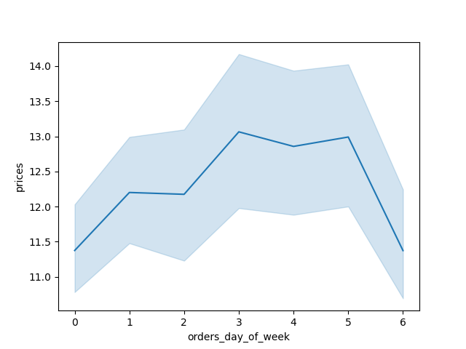


LEGEND:
0 - Saturday
1 - Sunday
2 - Monday
3 - Tuesday
4 -Wednesday
5 - Thursday
6 - Friday

 | Data suggests customers spend more on higher priced items in the middle of the week such as Tuesday, Wednesday, and Thursday. Perhaps because supplies have ran out during the weekend, or customers are preparing for the weekend. The variability is quite large on those particular days. |  |  |  |  |  |  | High priced goods seem to have more frequency during the odd hours contrary to the opinion stated in the above chart. The chart stagnates from 9am to 5pm.

 |  | 3) Instacart has a lot of products with different price tags. Marketing and sales want to use simpler price range groupings to help direct their efforts.

 |  |  | department | High range | Mid-range | Low-range
 |  |  | alcohol | - | 111,581 | 33,046
 |  |  | babies | - | 288,908 | 121,484 |  |  |  |  |  |  |  |  | "If the price is less than or equal to $5, then low-range product If the priceis between $5 and $15, then mid-range product If the price is greater than $15, then high-range product
 |  |  | bakery | - | 845,842 | 274,986
 |  |  | beverages | - | 1,757,204 | 814,697
 |  |  | breakfast | - | 461,665 | 209,185
 |  |  | bulk | - | 32,270 | 1,181
 |  |  | canned goods | - | 730,363 | 281,711 | TOTAL PRODUCTS BY PRICE RANGE
 |  |  | dairy eggs | 4,877 | 3,801,397 | 1,370,908
 |  |  | deli | - | 704,614 | 299,220 | HIGH PRICE VALUE |  |  | MID PRICE VALUE |  |  | LOW PRICE VALUE
 |  |  | dry goods pasta | - | 537,790 | 284,346 | Meat Seafood |  |  | Produce |  |  | Produce
 |  |  | frozen | - | 1,474,114 | 647,617 | Dairy Eggs |  |  | Dairy Eggs |  |  | Dairy Eggs
 |  |  | household | - | 454,787 | 245,070 | Pantry |  |  | Beverages |  |  | Snacks
 |  |  | international | - | 182,788 | 73,203
 |  |  | meat seafood | 392,855 | 281,926 | - | Dairy eggs products have wider price points for consumers
 |  |  | missing | - | 46,252 | 18,516
 |  |  | other | - | 19,152 | 15,259
 |  |  | pantry | 221 | 1,277,963 | 504,521
 |  |  | personal care | - | 300,432 | 123,874
 |  |  | pets | - | 64,895 | 28,165
 |  |  | produce | - | 6,493,565 | 2,585,708
 |  |  | snacks | - | 1,024,263 | 1,742,143

 |  | 4) Are there certain types of products that are more popular than others? The marketing and sales teams want to know which departments have the highest frequency of product orders.

 |  |  |  | reordered
 |  |  | department | mean | min | max
 |  |  | alcohol | 0.59016642812 | 0 | 1
 |  |  | babies | 0.59122010176 | 0 | 1
 |  |  | bakery | 0.64493392385 | 0 | 1
 |  |  | beverages | 0.66954832243 | 0 | 1 | PRODUCTS ORDER FREQUENCY
 |  |  | breakfast | 0.5773570843 | 0 | 1
 |  |  | bulk | 0.58978804819 | 0 | 1 |  | MOST POPULAR |  |  |  | LEAST POPULAR
 |  |  | canned goods | 0.47382602458 | 0 | 1 |  | bakery | 0.64493392385 |  |  | pantry | 0.35980658606
 |  |  | dairy eggs | 0.68630907702 | 0 | 1 |  | beverages | 0.66954832243 |  |  | personal care | 0.33414799696
 |  |  | deli | 0.62448472556 | 0 | 1 |  | dairy eggs | 0.68630907702 |  |  | international | 0.38239625612
 |  |  | dry goods pasta | 0.47743439042 | 0 | 1 |  | produce | 0.66665535886
 |  |  | frozen | 0.55872775578 | 0 | 1
 |  |  | household | 0.41807826456 | 0 | 1
 |  |  | international | 0.38239625612 | 0 | 1
 |  |  | meat seafood | 0.58513651096 | 0 | 1
 |  |  | missing | 0.40936882411 | 0 | 1
 |  |  | other | 0.42251024382 | 0 | 1
 |  |  | pantry | 0.35980658606 | 0 | 1
 |  |  | personal care | 0.33414799696 | 0 | 1
 |  |  | pets | 0.61917042768 | 0 | 1
 |  |  | produce | 0.66665535886 | 0 | 1
 |  |  | snacks | 0.58930720943 | 0 | 1 |  |  |  |  |  |  |  |  | Age Category 18-35 = Young 36-64 = Middle aged over 65 = Senior

 |  | 5) The marketing and sales teams are particularly interested in the different types of customers in their system and how their ordering behaviors differ.

 |  |  | - What’s the distribution among users in regards to their brand loyalty (i.e., how often do they return to Instacart)?

 |  | BRAND LOYALTY DISTRIBUTION |  |  |  |  |  |  | BRAND LOYALTY BREAKDOWN BY ORDER FREQUENCY |  |  |  |  |  | Household size dependants = Small household 1-2 dependants = Medium household more than 3 dependants = Big Household"
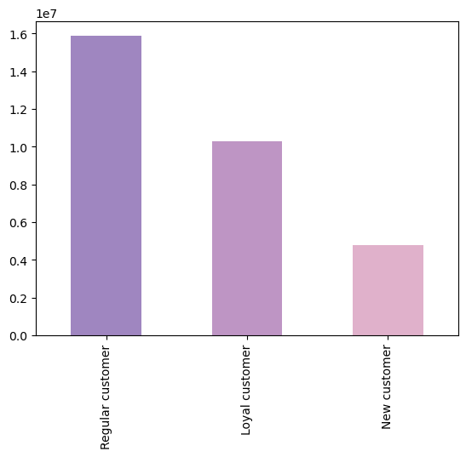
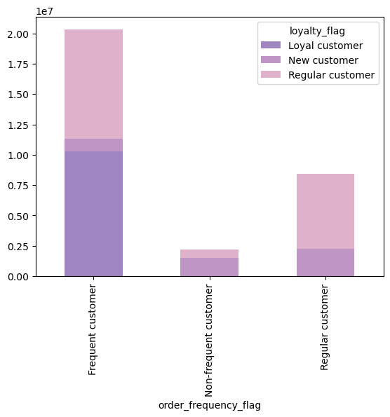

 | TOTAL CUSTOMERS (in millions)

 |  |  |  |  |  |  |  | ORDER FREQUENCY

 |  |  |  |  |  |  |  |  |  |  |  |  |  |  | If customer has more than 40 orders, then flagged as loyal customer If customer has between 10 and 40 orders, then as regular customer If customer has less than 10, then as new customer

 |  |  |  |  |  |  |  |  |  |  |  |  |  |  | Income Group <30000 = Low income 30000-100000 = Middle income over 100000 = High Income

 |  | BRAND LOYALTY BREAKDOWN BY AGE CATEGORY |  |  |  |  |  |  | BRAND LOYALTY BREAKDOWN BY INCOME CATEGORY
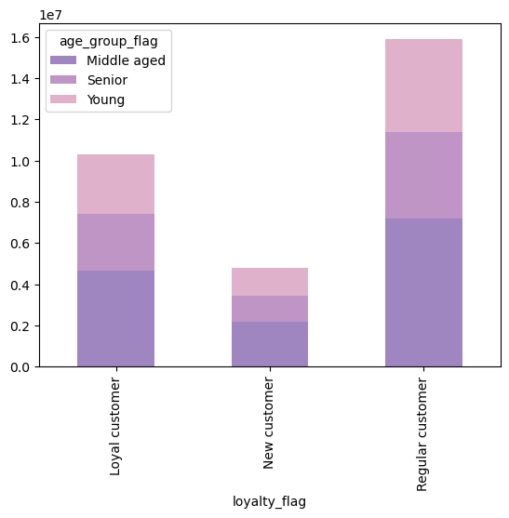
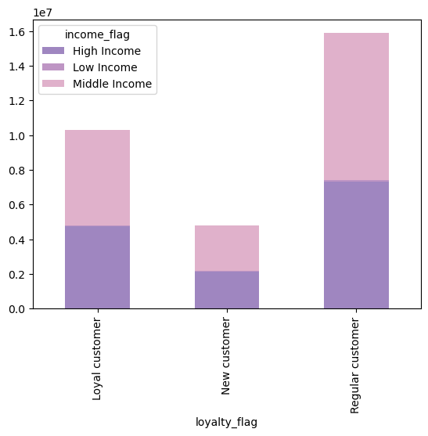

 | TOTAL CUSTOMERS (in millions) |  |  |  |  |  |  | TOTAL CUSTOMERS (in millions)

 |  |  |  |  |  |  |  |  |  | There are more regular customers than loyal customers. Loyal and regular customers are more frequent shoppers. Loyal customers tend to be more middle aged and have a mix of middle to high income

 |  |  | - Are there differences in ordering habits based on a customer’s loyalty status?

 |  |  | BRAND LOYALTY BREAKDOWN BY MOST POPULAR PRODUCTS
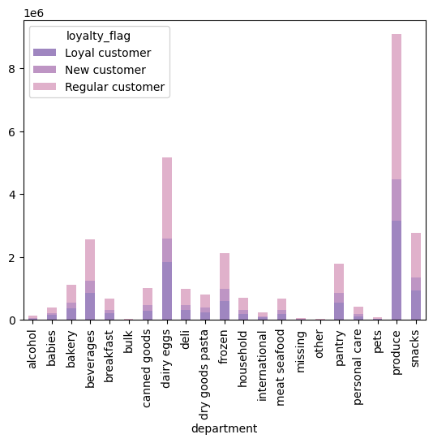

 |  |  |  |  |  |  |  |  |  |  |  |  |  |  |  | Age Category 18-35 = Young 36-64 = Middle aged over 65 = Senior

 |  | ORDER FREQUENCY (in millions)

 |  |  |  |  |  |  |  |  |  |  |  |  |  |  |  | Household size dependants = Small household 1-2 dependants = Medium household more than 3 dependants = Big Household"

 |  |  |  |  |  |  |  |  |  |  |  |  |  |  |  | If customer has more than 40 orders, then flagged as loyal customer If customer has between 10 and 40 orders, then as regular customer If customer has less than 10, then as new customer

 |  |  |  |  |  |  |  |  |  |  |  |  |  |  |  | Income Group <30000 = Low income 30000-100000 = Middle income over 100000 = High Income
 |  |  | - Are there differences in ordering habits based on a customer’s region?

 |  | BRAND LOYALTY DISTRIBUTION BY REGION |  |  |  |  |  |  | PRODUCT DISTRIBUTION BY REGION
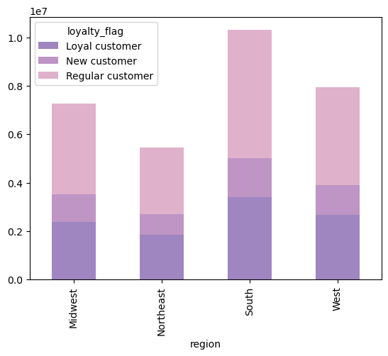
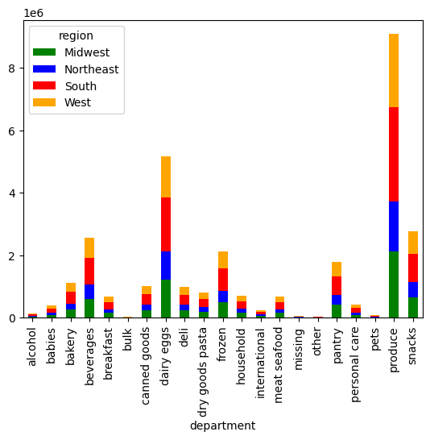

 |  |  |  |  |  |  |  |  | ORDER FREQUENCY (in millions)
 | TOTAL CUSTOMERS (in millions)

 |  |  |  |  |  |  |  |  | The south seems to have the most customers. With the most loyal and regualr customers. Produce and Dairy eggs are the most purchased goods in all regions.

 |  |  | - Is there a connection between age and family status in terms of customer demographics? And/or connection between age and spending power (income)?

 |  |  | RELATIONSHIP BETWEEN AGE & INCOME |  |  |  |  |  | ORDER FREQUENCY PER HOUR OF DAY

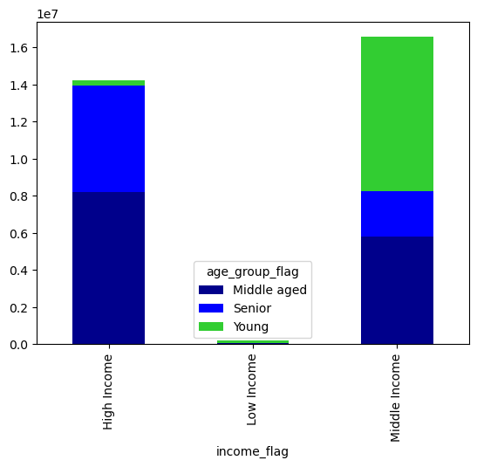

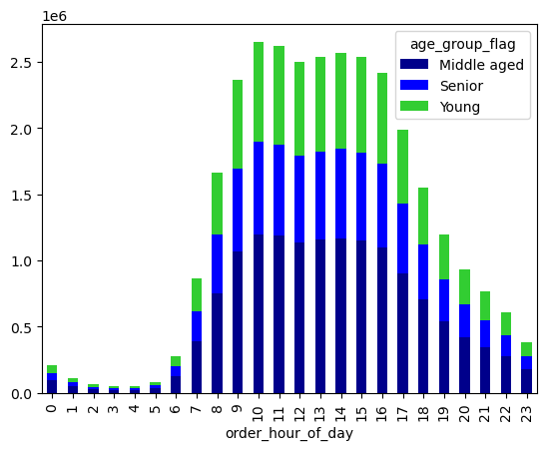

 |  |  |  |  |  |  |  |  | ORDER FREQUENCY (in millions)
 |  | ORDER FREQUENCY (in millions)

 |  |  | Senior and middle aged customers have the majority of the high income, and the young customers have most of the middle income. |  |  |  |  |  |  | Age doesn’t seem to play a factor in order frequency during the day

 |  |  | - What different classifications does the demographic information suggest? Age? Income? Certain types of food? Family status? - What differences can you find in ordering habits of different customer profiles? Consider the price of orders, the frequency of orders, the products customers are ordering, and anything else you can think of.

 |  | ORDER FREQUENCY BY HOUSEHOLD SIZE |  |  |  |  |  |  | DISTRIBUTION PER INCOME CATERGORY
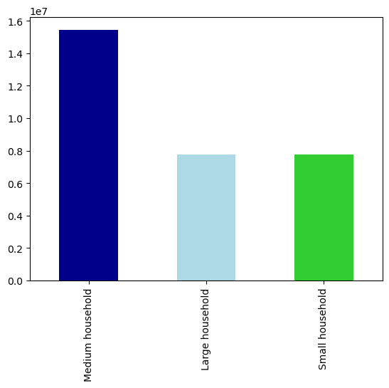
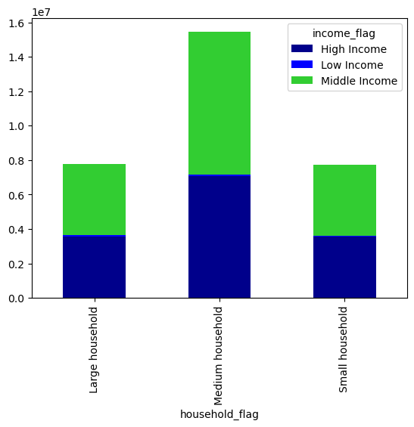
 | ORDER FREQUENCY (in millions)

 |  |  |  |  |  |  |  | TOTAL CUSTOMERS (in millions)

 |  |  |  |  |  |  |  |  |  |  |  |  |  |  |  |  | Age Category 18-35 = Young 36-64 = Middle aged over 65 = Senior

 |  |  |  |  |  |  |  |  |  |  |  |  |  |  |  |  | Household size dependants = Small household 1-2 dependants = Medium household more than 3 dependants = Big Household"

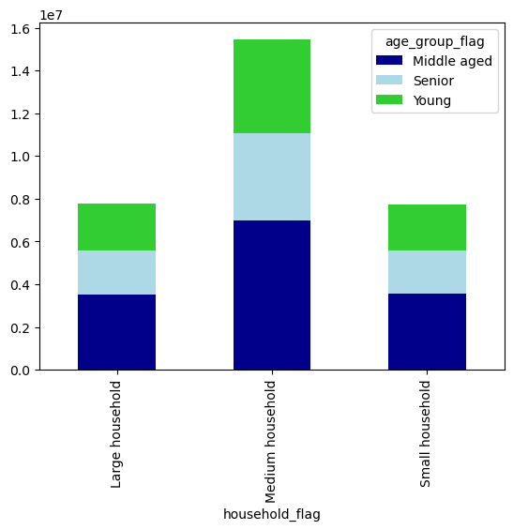
 | DISTRIBUTION PER AGE GROUP
 |  |  |  |  |  |  |  |  |  |  |  |  |  |  |  |  | If customer has more than 40 orders, then flagged as loyal customer If customer has between 10 and 40 orders, then as regular customer If customer has less than 10, then as new customer

TOTAL CUSTOMERS (in millions)
 |  |  |  |  |  |  |  |  | There are more medium household families with majority middle incomes as instacart customers. The age groups seemed to be equally distributed with the middle aged group having a slight majority

 |  |  |  |  |  |  |  |  |  |  |  |  |  |  |  |  | Income Group <30000 = Low income 30000-100000 = Middle income over 100000 = High Income

 | VEGETARIAN STATUS

 | DISTRIBUTION PER INCOME |  |  |  |  |  |  |  |  | DISTRIBUTION BY LOYALTY GROUP
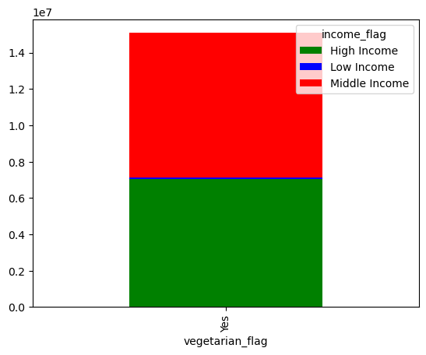
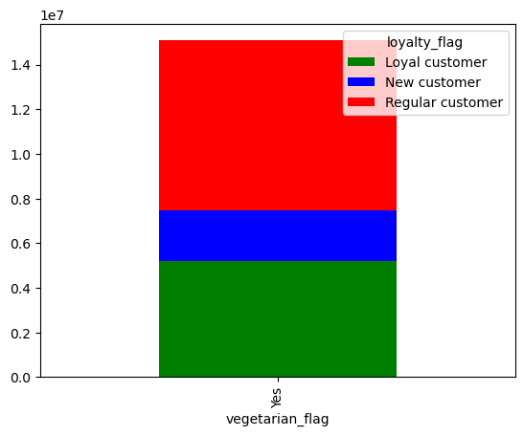

 |  |  |  |  |  |  |  |  | TOTAL CUSTOMERS (in millions)
TOTAL CUSTOMERS (in millions)

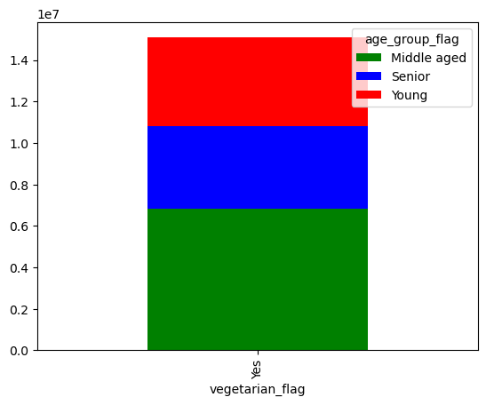
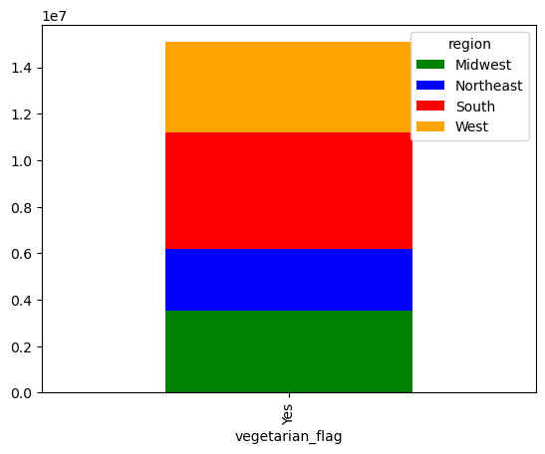
 |  | DISTRIBUTION PER AGE GROUP
 |  |  |  |  |  |  |  |  |  |  | DISTRIBUTION PER REGION

TOTAL CUSTOMERS (in millions)
 |  |  |  |  |  |  |  |  | TOTAL CUSTOMERS (in millions)

 |  |  |  |  |  |  |  |  |  | Our vegetarian customers have a mix of middle to high income and are frequent shoppers. They tend to be middle aged with an equal distribution to their region

7. Recommendations
 |  |  |  |  |  |  |  |  |  |  | Title page

Recommendations

In this tab you should include any recommendations you would made to Instcart in terms of their marketing strategy based on the questions posed in the brief. Every key question has been covered in the Tasks of the Exercises - here you need to add an item - a visualisation or table/crosstable that is showing the answer in the data, acompanied by a comment from you. Please, list the questions below and add the answer underneath.

Question |  | Answer

Key Question 1
The sales team needs to know what the busiest days of the week and hours of the day are (i.e., the days and times with the most orders) in order to schedule ads at times when there are fewer orders. |  | Order activity is the highest during the weekend. Specifically Saturday, Sunday, and Friday, in that order. The most orders are placed between 9am to 4 pm with the peak at 10am. My recommendation would be to schedule ads after 8pm if we want to boost sales and still make conversions because after midnight, orders drastically decrease. Any weekday is a good recommendation because the weekdays are fairly equal in terms of orders per day.

 |  | HOUR OF THE DAY | SATURDAY | SUNDAY | MONDAY | TUESDAY | WEDNESDAY | THURSDAY | FRIDAY | TOTAL
 |  | 0 | 37,261 | 35,377 | 28,248 | 26,159 | 23,287 | 27,887 | 29,823 | 208,042
 |  | 1 | 21,201 | 17,356 | 13,915 | 12,646 | 12,987 | 14,312 | 17,204 | 109,621
 |  | 2 | 12,271 | 10,095 | 7,953 | 7,991 | 7,600 | 8,881 | 10,900 | 65,691
 |  | 3 | 8,385 | 6,776 | 6,813 | 5,488 | 6,089 | 7,911 | 7,334 | 48,796
 |  | 4 | 7,973 | 7,374 | 6,560 | 6,350 | 6,508 | 8,380 | 7,618 | 50,763
 |  | 5 | 10,992 | 13,819 | 12,333 | 11,203 | 11,571 | 14,228 | 10,272 | 84,418
 |  | 6 | 33,732 | 50,963 | 42,184 | 39,657 | 38,546 | 45,061 | 30,870 | 281,013
 |  | 7 | 129,234 | 160,163 | 118,610 | 106,823 | 109,694 | 124,606 | 114,083 | 863,213
 |  | 8 | 295,324 | 322,665 | 215,623 | 190,903 | 187,368 | 216,662 | 230,565 | 1,659,110
 |  | 9 | 423,642 | 488,212 | 316,903 | 267,824 | 259,850 | 303,016 | 304,164 | 2,363,611
 |  | 10 | 492,531 | 529,173 | 344,839 | 300,752 | 293,204 | 342,526 | 346,719 | 2,649,744
 |  | 11 | 508,444 | 488,993 | 336,758 | 296,568 | 288,454 | 338,733 | 356,930 | 2,614,880
 |  | 12 | 507,714 | 440,909 | 314,156 | 283,242 | 276,359 | 319,002 | 354,413 | 2,495,795
 |  | 13 | 530,620 | 436,252 | 318,560 | 288,578 | 281,254 | 321,523 | 362,489 | 2,539,276
 |  | 14 | 537,202 | 431,977 | 319,934 | 290,856 | 284,001 | 331,431 | 372,502 | 2,567,903
 |  | 15 | 522,761 | 421,025 | 318,098 | 299,078 | 286,034 | 328,905 | 360,065 | 2,535,966
 |  | 16 | 475,228 | 397,348 | 314,981 | 291,981 | 284,756 | 312,980 | 336,407 | 2,413,681
 |  | 17 | 373,612 | 320,117 | 263,298 | 247,743 | 241,866 | 258,563 | 277,146 | 1,982,345
 |  | 18 | 269,281 | 244,481 | 214,042 | 202,202 | 197,136 | 207,269 | 216,773 | 1,551,184
 |  | 19 | 205,501 | 187,707 | 161,632 | 155,467 | 160,906 | 159,066 | 163,599 | 1,193,878
 |  | 20 | 175,654 | 144,375 | 123,678 | 116,095 | 125,145 | 120,644 | 125,318 | 930,909
 |  | 21 | 146,333 | 114,824 | 98,497 | 96,363 | 104,322 | 94,871 | 107,901 | 763,111
 |  | 22 | 115,703 | 87,339 | 76,774 | 77,991 | 85,737 | 75,335 | 88,181 | 607,060
 |  | 23 | 68,011 | 54,366 | 50,317 | 47,575 | 52,320 | 51,937 | 60,028 | 384,554
 |  | TOTAL | 5,908,610 | 5,411,686 | 4,024,706 | 3,669,535 | 3,624,994 | 4,033,729 | 4,291,304 | 30,964,564
 |  | AVERAGE | 246,192 | 225,487 | 167,696 | 152,897 | 151,041 | 168,072 | 178,804 | 1,290,190

Key Question 2
Are there particular times of the day when people spend the most money, as this might inform the type of products they advertise at these times. |  | While hourly transactions vary widely the top departments are produce, dairy eggs, snacks, beverages, frozen goods, and pantry items. The largest variation appears to be between midnight and 6 am

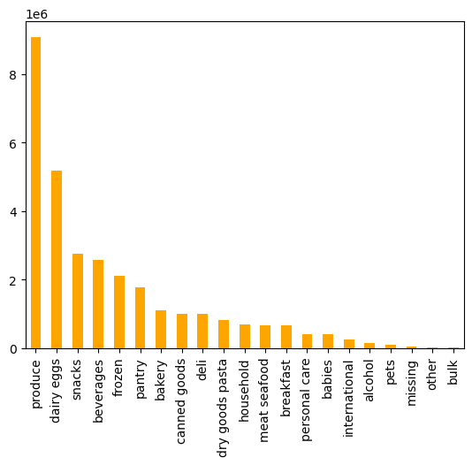
MOST POPULAR
 |  | DEPARTMENT | TOTAL ORDER
 |  | produce | 9,079,273
 |  | dairy eggs | 5,177,182
 |  | snacks | 2,766,406
 |  | beverages | 2,571,901 | TOTAL ORDERS (in millions)
 |  | frozen | 2,121,731
 |  | pantry | 1,782,705
 |  | bakery | 1,120,828
 |  | canned goods | 1,012,074
 |  | deli | 1,003,834
LEAST POPULAR
 |  | dry goods pasta | 822,136
 |  | household | 699,857
 |  | meat seafood | 674,781
 |  | breakfast | 670,850
 |  | personal care | 424,306
 |  | babies | 410,392
 |  | international | 255,991
 |  | alcohol | 144,627
 |  | pets | 93,060
 |  | missing | 64,768
 |  | other | 34,411
 |  | bulk | 33,451
Key Question 3
Instacart has a lot of products with different price tags. Marketing and sales want to use simpler price range groupings to help direct their efforts. |  | Most products fall in line with the middle range of $6 and $15. Grouping products into 3 different tiers could help distinguish different brands with their own customer base depending on their income - HIGH-PRICE RANGE ($16 - above): Meat seafood & Dairy Eggs - MID-PRICE RANGE ($6 - $15): Produce & Dairy Eggs - LOW-PRICE RANGE ($5 - below): Produce, Snacks & Dairy Eggs There are many products with all price points, such as Dairy eggs, Meat/Seafood, Pantry.

 |  | department | High range | Mid-range | Low-range
 |  | alcohol | - | 111,581 | 33,046
 |  | babies | - | 288,908 | 121,484
 |  | bakery | - | 845,842 | 274,986
 |  | beverages | - | 1,757,204 | 814,697
 |  | breakfast | - | 461,665 | 209,185
 |  | bulk | - | 32,270 | 1,181
 |  | canned goods | - | 730,363 | 281,711
 |  | dairy eggs | 4,877 | 3,801,397 | 1,370,908
 |  | deli | - | 704,614 | 299,220
 |  | dry goods pasta | - | 537,790 | 284,346
 |  | frozen | - | 1,474,114 | 647,617
 |  | household | - | 454,787 | 245,070
 |  | international | - | 182,788 | 73,203
 |  | meat seafood | 392,855 | 281,926 | -
 |  | missing | - | 46,252 | 18,516
 |  | other | - | 19,152 | 15,259
 |  | pantry | 221 | 1,277,963 | 504,521
 |  | personal care | - | 300,432 | 123,874
 |  | pets | - | 64,895 | 28,165
 |  | produce | - | 6,493,565 | 2,585,708
 |  | snacks | - | 1,024,263 | 1,742,143
 |  | TOTAL | 397,953 | 20,891,771 | 9,674,840

Key Question 4
Are there certain types of products that are more popular than others? The marketing and sales teams want to know which departments have the highest frequency of product orders. |  | The top products shift slightly in rank when you judge by frequency rather than price. This is due to consumable products such as Dairy Eggs, beverages and produce being a staple in human diet and must be constantly repurchased. Meanwhile pantry and frozen goods are more expensive but last longer requiring lesss frequent purchases. Some goods do have a cross merge between both frequency and expenditure such as Dairy egg and Produce

 |  | Products re-ordered most frequently |  |  |  | TOP PRODUCTS BY PRICE
 |  |  |  |  |  | DEPARTMENT | TOTAL ORDER | PERCENTAGE
 |  | Department | Average |  |  | produce | 9,079,273 | 29.32%
 |  | dairy eggs | 68.63% |  |  | dairy eggs | 5,177,182 | 16.72%
 |  | beverages | 66.95% |  |  | snacks | 2,766,406 | 8.93%
 |  | produce | 66.67% |  |  | beverages | 2,571,901 | 8.31%
 |  | bakery | 64.49% |  |  | frozen | 2,121,731 | 6.85%
 |  | deli | 62.45% |  |  | pantry | 1,782,705 | 5.76%
 |  | pets | 61.92% |  |  | bakery | 1,120,828 | 3.62%
 |  | babies | 59.12% |  |  | canned goods | 1,012,074 | 3.27%
 |  | alcohol | 59.02% |  |  | deli | 1,003,834 | 3.24%
 |  | bulk | 58.98% |  |  | dry goods pasta | 822,136 | 2.66%
 |  | snacks | 58.93% |  |  | household | 699,857 | 2.26%
 |  | meat seafood | 58.51% |  |  | meat seafood | 674,781 | 2.18%
 |  | breakfast | 57.74% |  |  | breakfast | 670,850 | 2.17%
 |  | frozen | 55.87% |  |  | personal care | 424,306 | 1.37%
 |  | dry goods pasta | 47.74% |  |  | babies | 410,392 | 1.33%
 |  | canned goods | 47.38% |  |  | international | 255,991 | 0.83%
 |  | other | 42.25% |  |  | alcohol | 144,627 | 0.47%
 |  | household | 41.81% |  |  | pets | 93,060 | 0.30%
 |  | missing | 40.94% |  |  | missing | 64,768 | 0.21%
 |  | international | 38.24% |  |  | other | 34,411 | 0.11%
 |  | pantry | 35.98% |  |  | bulk | 33,451 | 0.11%
 |  | personal care | 33.41% |  |  | TOTAL | 30,964,564
Key Question 5
What’s the distribution among users in regards to their brand loyalty (i.e., how often do they return to Instacart)? |  | The largest portion of frequent customers are loyal customers folllowed by regular customers. If a customer has more than 40 orders they are considered a loyal customer, and if the order frequency is less than 10 they are considered a frequent customer. Majority of Instacart customers are frequent customers standing at 68%. There is a wide variety for Loyal customers in terms of age, region, and income. For example for age there are similar percentage of young, middle, and senior aged customers for Loyal and Regular customers, and for region, while the south may have more loyal customers the other 3 areas arent far off in terms of percentage. The income category is where there is a split between high income and middle income. Keep in mind high income is categorized as a salary over $100,000, middle income is between $30,000 and $100,000 while low is under $30,0000 according to moneynews. Majority of customers across all loyalty flags had middle income and second was high income, interestingly the low income was hardly seen for order frequency. Providing promo codes and loyatly badges could perhaps convert the regular frequent customer into a loyal customer.

 | ORDER FREQUENCY

 |  |  |  |  |  |  |  | TOTAL CUSTOMERS (in millions)

 |  |  | Loyal customer | Regular customer | New customer | TOTAL | OVERALL %
 |  | Frequent customer | 10,279,960 | 9,631,222 | 1,293,294 | 21,204,476 | 68.48%
 |  | Regular customer | 4,133 | 5,334,079 | 1,526,901 | 6,865,113 | 22.17%
 |  | Non-frequent customer | - | 911,475 | 1,983,500 | 2,894,975 | 9.35%
 |  | TOTAL | 10,284,093 | 15,876,776 | 4,803,695 | 30,964,564 | 100.00%

Key Question 6
Are there differences in ordering habits based on a customer’s loyalty status? |  | Surprisingly even though Loyal customers have a majority high income, they shop mainly low and mid tier budget items. There are only 216,600 Loyal high spenders compared to 302,814 Regular high spenders. In terms of products and departments there is no real difference compared to the top overal products.

 |  |  |  |  |  |  |  | If customer has more than 40 orders, then flagged as loyal customer If customer has between 10 and 40 orders, then as regular customer If customer has less than 10, then as new customer |  |  | If Price < $10 then Low spender If Price is >$10 then High spender
 | ORDER FREQUENCY (in millions)

 |  |  |  |  |  |  |  |  | SPENDING FLAG | Loyal customer | Regular customer | New customer
 |  |  |  |  |  |  |  |  | High spender | 216,600 | 302,814 | 84,011
 |  |  |  |  |  |  |  |  | Low spender | 10,067,493 | 15,573,962 | 4,719,684
 |  |  |  |  |  |  |  |  | TOTAL | 10,284,093 | 15,876,776 | 4,803,695

 |  |  |  |  |  |  |  |  | TOTAL PRODUCTS BY PRICE RANGE

 |  |  |  |  |  |  |  |  | HIGH PRICE VALUE |  |  | MID PRICE VALUE |  |  | LOW PRICE VALUE
 |  |  |  |  |  |  |  |  | Meat Seafood |  |  | Produce |  |  | Produce
 |  |  |  |  |  |  |  |  | Dairy Eggs |  |  | Dairy Eggs |  |  | Dairy Eggs
 |  |  |  |  |  |  |  |  | Pantry |  |  | Beverages |  |  | Snacks

 |  |  |  |  |  |  |  |  | Dairy eggs products have wider price points for consumers

Key Question 7
Are there differences in ordering habits based on a customer’s region? |  | All regions share similar shopping trends, Produce and Dairy eggs are the top two departments across all regions. The Bulk department was also the least used as well. The south has the most high and low spenders accounting for a third of the total amount spent for the year.

 |  |  |  |  |  |  |  | region | High spender | Low spender |  | department | Midwest | Northeast | South | West | TOTAL
 |  |  |  |  |  |  |  | Midwest | 155,975 | 7,441,350 |  | alcohol | 34,043 | 25,017 | 48,813 | 36,754 | 144,627
 | ORDER FREQUENCY (in millions) |  |  |  |  |  |  | Northeast | 108,225 | 5,614,511 |  | babies | 95,741 | 72,712 | 139,511 | 102,428 | 410,392
 |  |  |  |  |  |  |  | South | 209,691 | 10,582,194 |  | bakery | 261,753 | 199,300 | 371,620 | 288,155 | 1,120,828
 |  |  |  |  |  |  |  | West | 160,354 | 8,132,559 |  | beverages | 598,979 | 462,929 | 859,419 | 650,574 | 2,571,901
 |  |  |  |  |  |  |  |  |  |  |  | breakfast | 156,155 | 117,904 | 223,172 | 173,619 | 670,850
 |  |  |  |  |  |  |  |  |  |  |  | bulk | 7,929 | 5,599 | 11,180 | 8,743 | 33,451
 |  |  |  |  |  |  |  |  |  |  |  | canned goods | 237,459 | 176,936 | 337,458 | 260,221 | 1,012,074
 |  |  |  |  |  |  |  |  |  |  |  | dairy eggs | 1,212,490 | 914,616 | 1,723,016 | 1,327,060 | 5,177,182
 |  |  |  |  |  |  |  |  |  |  |  | deli | 234,464 | 178,398 | 333,620 | 257,352 | 1,003,834
 |  |  |  |  |  |  |  |  |  |  |  | dry goods pasta | 193,463 | 143,817 | 272,813 | 212,043 | 822,136
 |  |  |  |  |  |  |  |  |  |  |  | frozen | 498,225 | 370,436 | 709,906 | 543,164 | 2,121,731
 |  |  |  |  |  |  |  |  |  |  |  | household | 166,992 | 124,604 | 230,061 | 178,200 | 699,857
 |  |  |  |  |  |  |  |  |  |  |  | international | 60,666 | 44,678 | 84,649 | 65,998 | 255,991
 |  |  |  |  |  |  |  |  |  |  |  | meat seafood | 158,260 | 118,571 | 224,120 | 173,830 | 674,781
 |  |  |  |  |  |  |  |  |  |  |  | missing | 15,563 | 11,512 | 21,787 | 15,906 | 64,768
 |  |  |  |  |  |  |  |  |  |  |  | other | 7,983 | 6,268 | 11,579 | 8,581 | 34,411
 |  |  |  |  |  |  |  |  |  |  |  | pantry | 420,334 | 312,731 | 591,754 | 457,886 | 1,782,705
 |  |  |  |  |  |  |  |  |  |  |  | personal care | 100,398 | 74,765 | 142,496 | 106,647 | 424,306
 |  |  |  |  |  |  |  |  |  |  |  | pets | 21,358 | 17,734 | 29,909 | 24,059 | 93,060
 |  |  |  |  |  |  |  |  |  |  |  | produce | 2,134,115 | 1,593,004 | 3,027,476 | 2,324,678 | 9,079,273
 |  |  |  |  |  |  |  |  |  |  |  | snacks | 645,143 | 493,154 | 916,780 | 711,329 | 2,766,406
 |  |  |  |  |  |  |  |  |  |  |  | TOTAL | 7,261,513 | 5,464,685 | 10,311,139 | 7,927,227 | 30,964,564

Key Question 8
Is there a connection between age and family status in terms of customer demographics? And/or connection between age and spending power (income)? |  | Its hard to find a correlation between household size and age. If you look at the first chart below in all three household groups each age category had similar sized blocks. Age did play an important factor when considering income however. If you look at the third chart, the high income group is dominated mainly by people middle aged and up. This makes sense since presumably the older you are, the longer you have been working correlating directly to spending power.

 | TOTAL CUSTOMERS (in millions) |  |  |  |  |  | ORDER FREQUENCY (in millions)

NEXT STEPS |  |  | In addition to the marketing and sales recommendations mentioned above, performing market research analysis on a new product line for high income target audiences. According to analysis while there was no particular product trend across the 4 regions, the Southern region in particular has the most frequent loyal customers who also spend the most so focusing marketing in this region is sure to result in returns. Another key focus group for marketing would be middle aged customers because they represent a significant percent of any category researched whether it be Frequency, Expenditure, Age, or Income. Furthermore, gathering data-driven facts in exploring consumer demands will provide valuable information to effectively implement targeted marketing strategies for various levels of consumers.

